IOC
Isle of Capri
Specifications

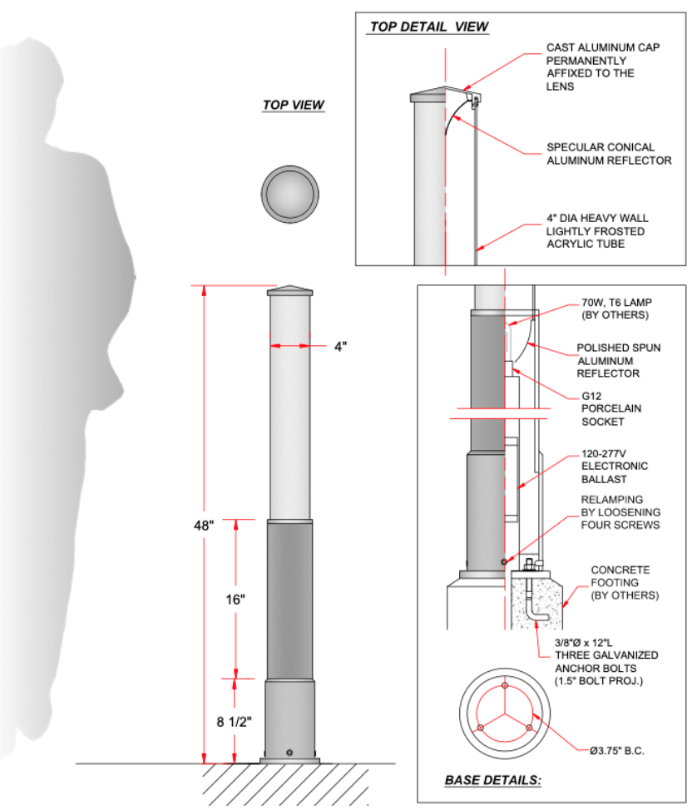
The Isle of Capri bollard shall feature a cast aluminum cap with a conical reflector, a heavy wall aluminum body, an electronic ballast or driver with quick disconnects, G12 or medium base socket, (lamps by others) or a COB LED module, and a 4"OD frosted or white acrylic diffuser.
Comes with (3) 3/8"OD x 12"L galvanized steel anchor bolts with two nuts and two washers each and steel template to install bolts on 3-3/4" bolt circle. All hardware and steel templates included.
Finished in smooth semi-glossTGIC polyester powder coat (dual colors available, see below picture for an example)
Choice of five standard colors: black (BLK), bronze (BRZ), green (GRN), grey (GRY) and white (WHT). Other colors available for an additional charge.

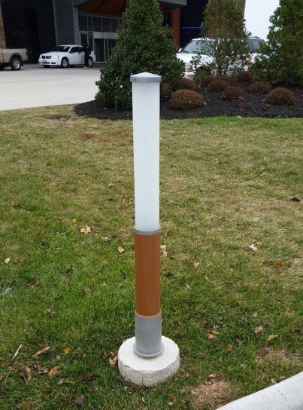

Additional project notes:

Use the drop-down lists below in the grey cells below to build a part number:

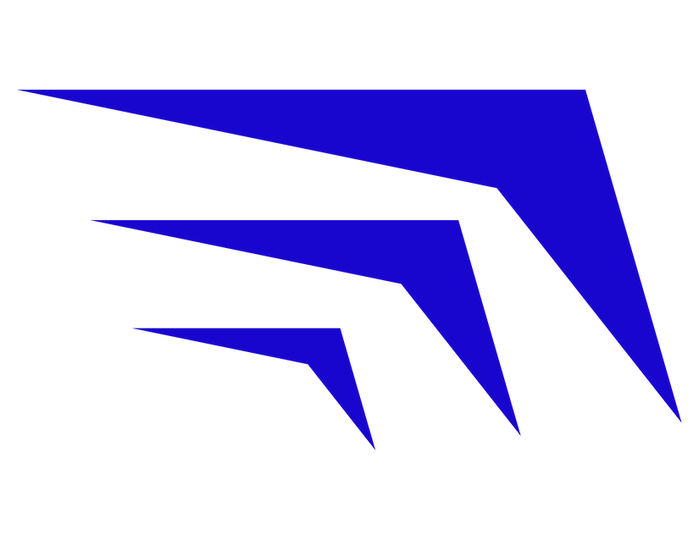
Model # | Diffuser | Light Source | Additional options | Color
IOC

IOC | FA | 0 |  | #N/A

Sheridan Lighting Systems, Inc. |  |  | E sales@sheridansys.com |  | Т 1-866-667-9517 | W sheridan.lighting
© 2023 Sheridan Lighting Systems, Inc. Al rights reserved. Specifications subject to change without notice.

